Chgs in Domestic Price
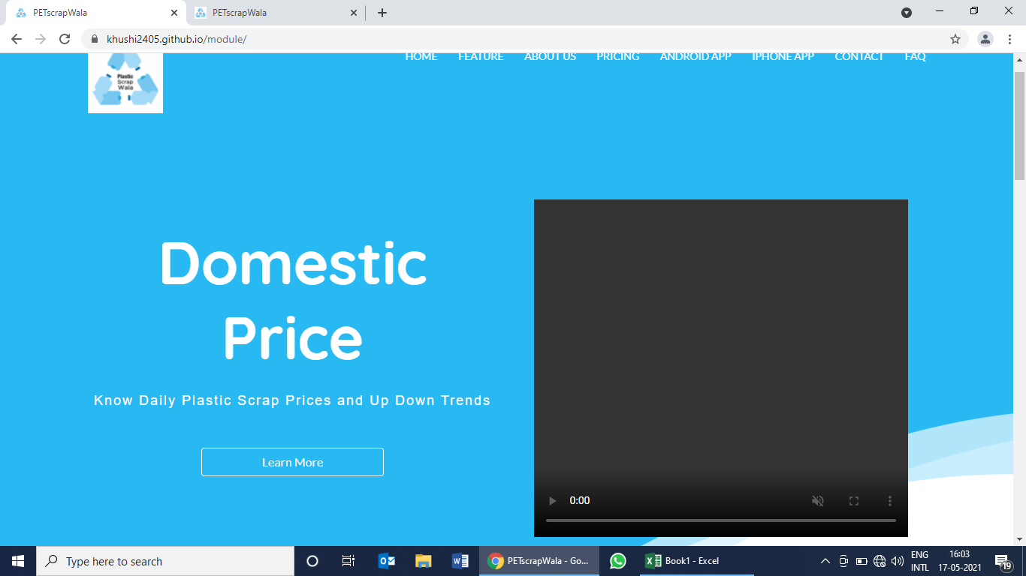

 | Domestic (₹) Prices of Plastic Scrap and Dana (re-processed Granules) next to virgin

 | Use Plastic-ScrapWala mobile App to keep track of price movement in all types of plastic scrap in India

 |  | remove 'Learn More' button

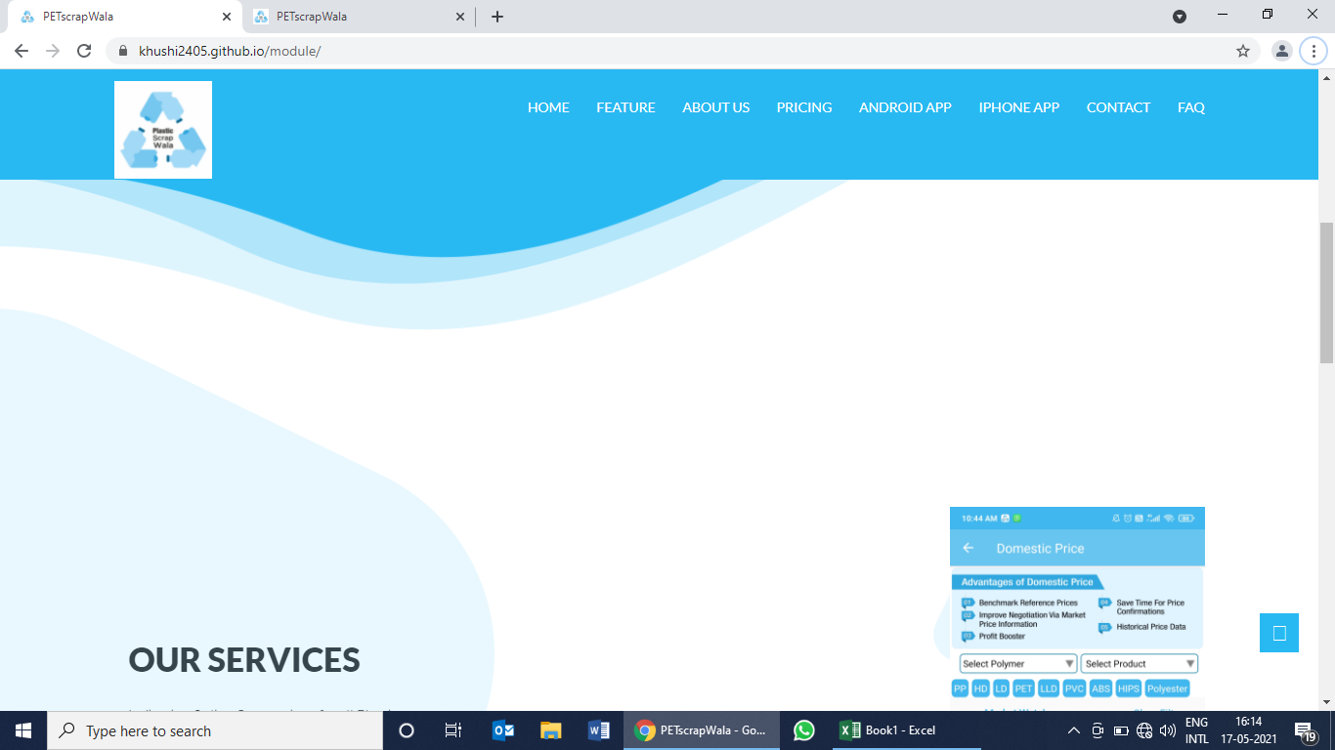
 | Which Plastic Scrap and Dana Prices (₹) are available on Plastic-ScrapWala mobile App?

 | ABS Dana | HDPE Dana
 | ABS Scrap | HDPE Scrap

 | HIPS Dana | LDPE Dana
 | HIPS Scrap | LDPE Scrap

 | LLDPE Dana | PET scrap
 | LLDPE Scrap | Polyester scrap

 | PP Dana | PVC Scrap
 | PP Scrap

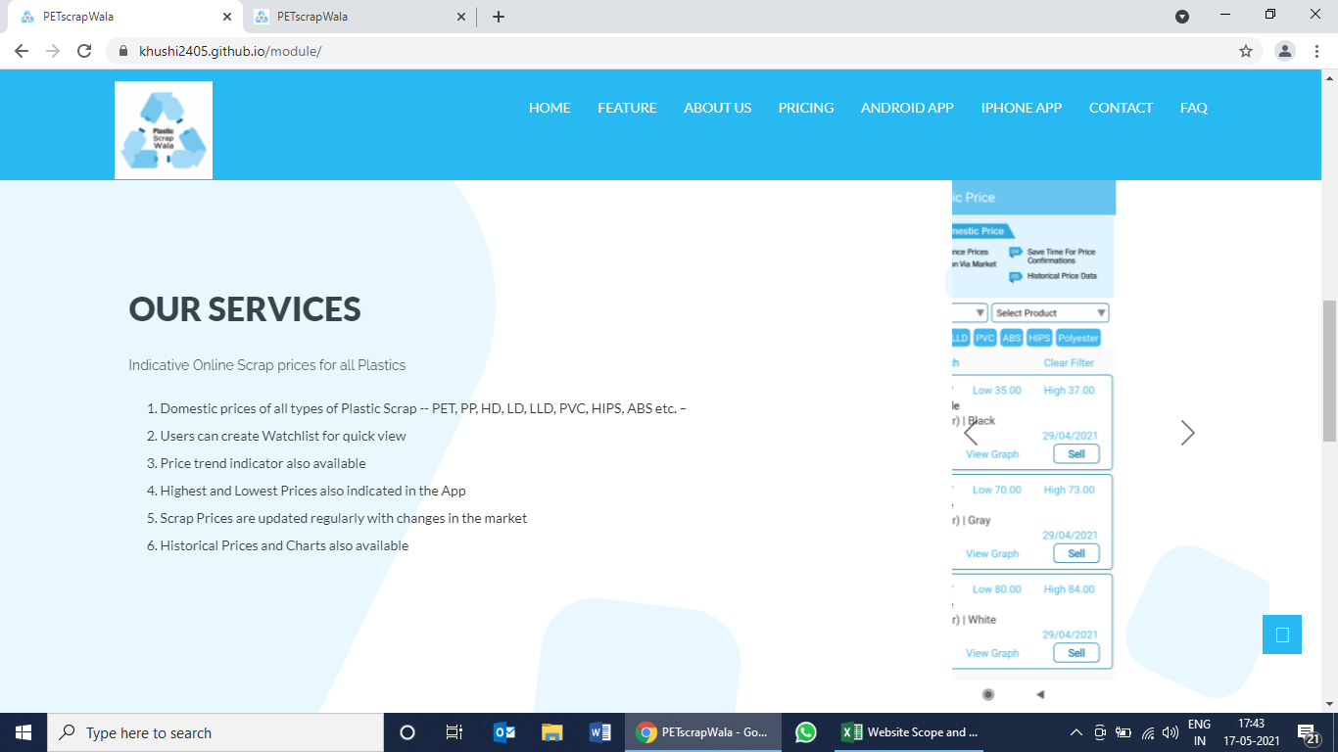
 | Advantages of tracking Plastic Scrap and Dana Prices (₹) via Plastic-ScrapWala mobile App

1 | Price is updated for all type of plastic scrap and recycled granules (next to virgin)

2 | Users can view historical price in table and graph to understand recent price trend

3 | Users can create their own custom watch list and view it using 'My Watchlist' function

4 | Prices are indicative of consensus of market participants. Users can post specific Buy and Sell Offers

5 | Users can update profile and become Verfied! Users to improve response rate from counter parties

